KCluster Phenotyping
 |  | Raw Cluster distribution by timepoint |  |  |  |  |  | Relative timepoint distribution by cluster |  |  |  | Relative cluster distribution by timepoint
 |  | Cluster 0 | Cluster 1 | Cluster 2 | Total/wk |  |  | Cluster 0 | Cluster 1 | Cluster 2 | --> The latest timepoint W12-15 occurred most in C2 while the mid timepoints were in C1 |  | Cluster 0 | Cluster 1 | Cluster 2 | --> C2 primarily later timepoints, c1 primarily mid timepoints, C0, all early
 | W0 | 46 | 0 | 0 | 46 |  | W0 | 100.00% | 0.00% | 0.00% |  | W0 | 82.14% | 0.00% | 0.00%
 | W4 | 4 | 32 | 8 | 44 |  | W4 | 9.09% | 72.73% | 18.18% |  | W4 | 7.14% | 45.71% | 13.79%
 | W8 | 2 | 26 | 24 | 52 |  | W8 | 3.85% | 50.00% | 46.15% |  | W8 | 3.57% | 37.14% | 41.38%
 | W12 | 2 | 12 | 22 | 36 |  | W12 | 5.56% | 33.33% | 61.11% |  | W12 | 3.57% | 17.14% | 37.93% |  | It seems like there's a pseudo- time based progression (c0 early, c1/c2 later), and hemodynamically distinct functional adaptations distinct between c1 and c2. These characterizations are reflected by sex, supportive of previous published work (https://journals.physiology.org/doi/abs/10.1152/ajpheart.00098.2024).
 | W15 | 2 | 0 | 4 | 6 |  | W15 | 33.33% | 0.00% | 66.67% |  | W15 | 3.57% | 0.00% | 6.90%
 | Total/cluster | 56 | 70 | 58 | 184

 |  | Raw Cluster distribution by sex |  |  |  |  |  | Relative Cluster distribution by sex |  |  |  |  | Relative Cluster distribution by sex
 |  | Cluster 0 | Cluster 1 | Cluster 2 | Totals |  |  | Cluster 0 | Cluster 1 | Cluster 2 | Totals |  | Cluster 0 | Cluster 1 | Cluster 2 | Totals
 | Male | 21 | 9 | 37 | 67 |  | Male | 0.328125 | 0.12328767123 | 0.78723404255 |  | Male | 0.31343283582 | 0.13432835821 | 0.55223880597 | 1
 | Female | 43 | 64 | 10 | 117 |  | Female | 0.671875 | 0.87671232877 | 0.21276595745 |  | Female | 0.36752136752 | 0.54700854701 | 0.08547008547 | 1
 | Total/cluster | 64 | 73 | 47 | 184 |  | Total/cluster | 1 | 1 | 1 |  | Total/cluster

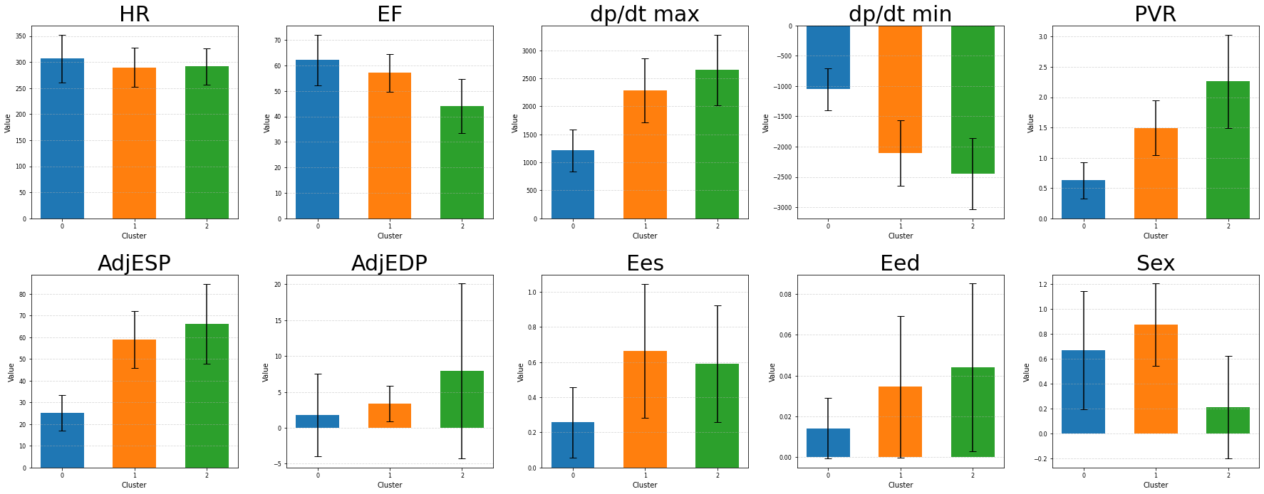
*
*
*
*
*
*
*
*
*
C0
 |  |  | function
C1
C2
 |  |  |  |  |  | C2 = highest pressure overload, lowest EF (severe), similar contractility but significant stiffening compared to C1
 |  |  |  |  |  | C1 = Medium pressure, high pressure overload, but maintained EF
pressure |  |  |  |  |  | C0 = lowest pressure, least remodeling

*
*
*

*
*
*
*
*
*
*
*
*
*
 | Theoretical possible pressure-function combinations
 |  |  | Pressure
 | Function |  | low |  | high
 |  | high | Healthy |  | Adapted
 |  | low | Unusually sick |  | Severe/sick

